Statistics & Graph
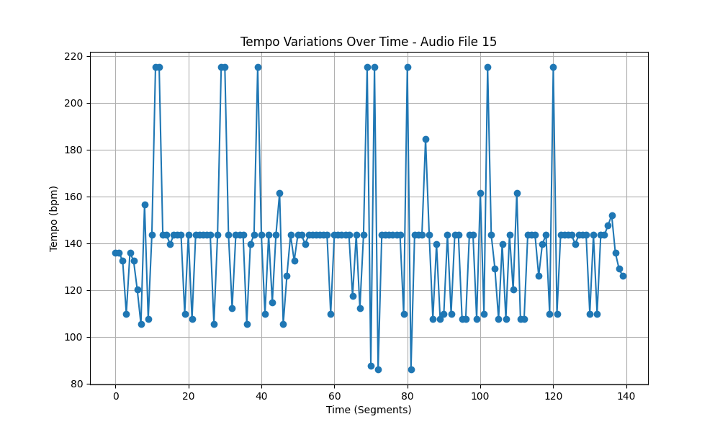
Metric | Value
Mean | 139.13620969
Standard Deviation | 26.92747076
Coefficient of Variation (CV) | 19.353316308

